10 - Data Validation
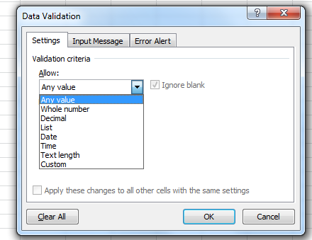
Back to Table of Contents |  |  |  |  |  | Screenshot:
 | Example | Validation Criteria Types | Criteria 1 | Criteria 2 | Criteria 3
 |  | Any Value | Default Validation
 | 3 | Whole Number | 1 | 5
 | 1.6 | Decimal | 1.5
 |  | List | Yes | No | Maybe
 |  | Date | 2017-07-26
 |  | Time | 5:00:00 | 7:00:00
 |  | Text Length | 5 | 6
 | 12 | Custom | 10 | 20 | 13

